DASHBOARD
FNB SALES DATA ANALYSIS

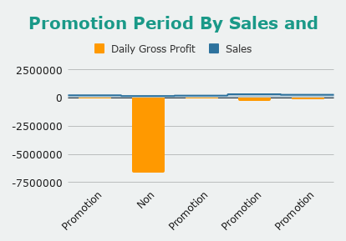
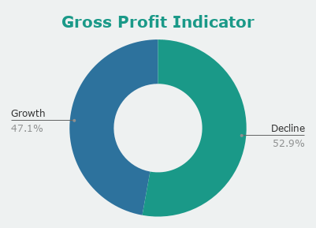
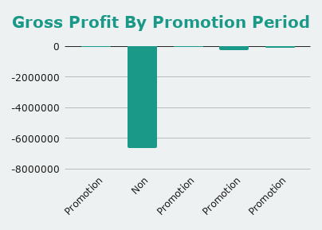

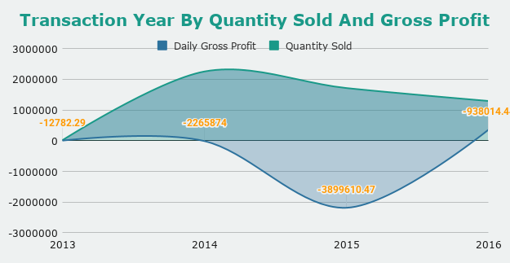

 | Quantity Sold By Unit Price

Product Performance By Time
% Gross Profit By Transaction Day

% Gross Profit By Promotion Period

Average Unit Price By Transaction Day

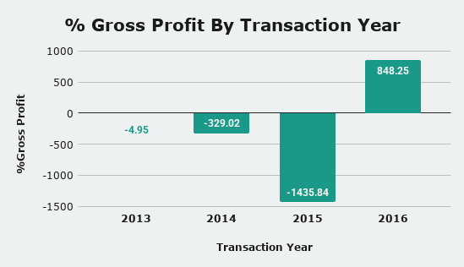

% Gross Profit By Transaction Months

AVERAGE of Unit Price vs. Transaction_day

Promotion Period Product Perfor
AVG Gross Profit, Cost Of Sales and Sales By Promotion Period

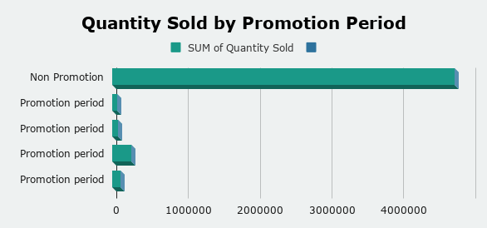

Sales and Cost Of Sales By Promotion Period

Promotion Period By Total Price Elasticity

% Gross Profit By Promotion Period

Average Price
